OBJECTIVE EDA(UNI & BI VARIATE)
 | OBJECTIVE: TO PREDICT THE CUSTOMERS APPLYING FOR LOAN IS WORTHY OF GETTING A LOAN AND WHETHER THEY WOLD EB ABLE TO REPAY THE LOAN OR NOT

 | EXPLORATORY DATA ANALYSIS OF DATASETS

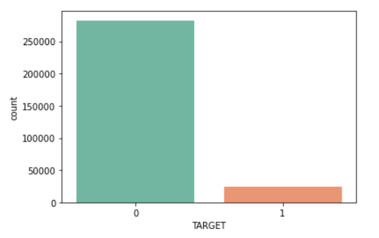
 | TRAINING DATASET

NOTE : The target classes in the training data set is highly imbalanced. There are nearly more than 10x 0's(non-defaulters) compared to 1's( defaulters).

 | STATS FOR BUREAU TABLE
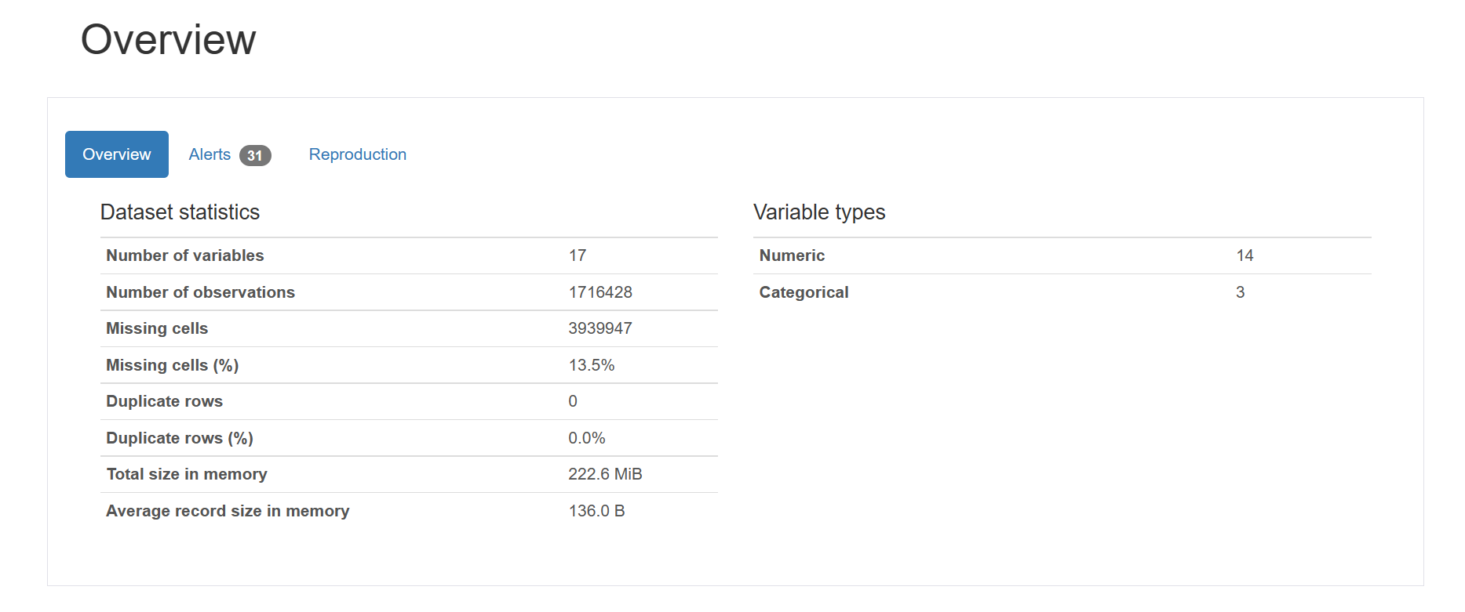

 | INFERENCES FOR COLUMNS

 | SK_ID_CURR-It represents the ID of the loan in our sample

 | DAYS_CREDIT-This column implies how many days before current application did client apply for Credit Bureau credit

 | Inference-There were a total of 2923 observations in this column out of we had less than 0.1% of null values.The column was right skewed so the column values were treated using median imputation

 | DAYS_CREDIT_UPDATE-It implies that how many days before loan application did last information about the Credit Bureau credit come

 | Inference-There were a total of 2982 observations in this column out of we had less than 0.1% of null values.The column was right skewed so the column values were treated using median imputation

 | DAYS_CREDIT_ENDDATE-Remaining duration of CB credit (in days) at the time of application in Home Credit

 | Inference-There were a total of 14096 values the null values were 0.1% of the total,the null values were treated using conditional mean imputation with respect to the target variable

 | AMT_CREDIT_MAX_OVERDUE'-Maximal amount overdue on the Credit Bureau credit so far (at application date of loan in our sample)

 | Inference-A total of 68251 observations were there out of whichhich 27.6% of the values were null values and were imputed by mean imputation

 | AMT_CREDIT_SUM_DEBT'-Current debt on Credit Bureau credit

 | Inference -A total of 226537 values were observed out of which 59.2% of the values were null these values were treated using meaan value imputation

 | TRAINING DATASET

 | Days last phone change and registration follows a left skewed distribution.
 | While Days Birth roughly follows a bell curve. Days Employed 2 bell curves centered around different means(with high difference between them.)

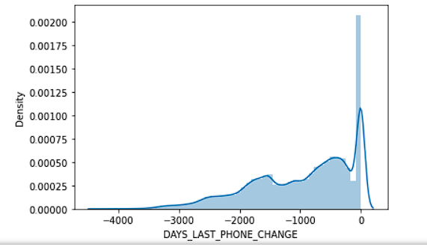
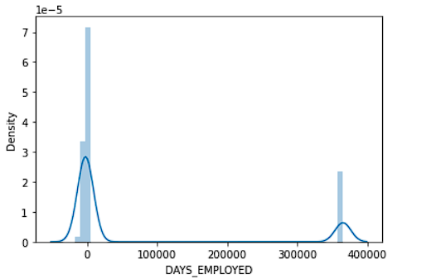

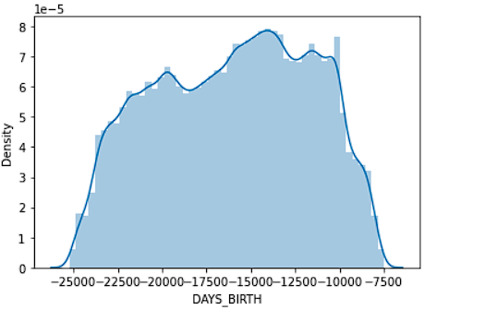
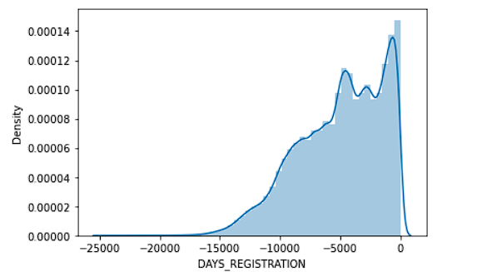

 | Living Apartments follows a right skewed distribution for it’s mean,median and mode.

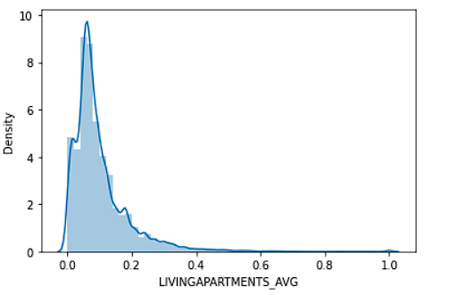
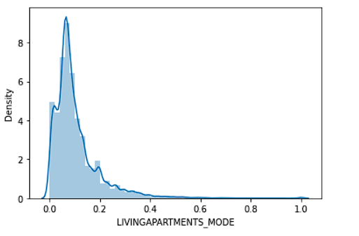

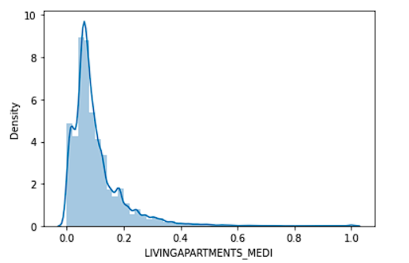

 | Days id publish peaks around -4000. After which distribution reduces upto around -3500. After that
 | distribution roughly remains constant.

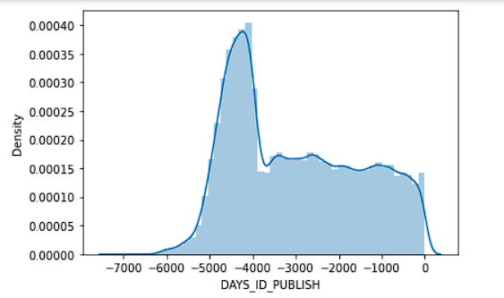

 | Below are tables indicating total number of null values and percentage of null values respectively.
 | Living
 | apartments have high percentage of null values.

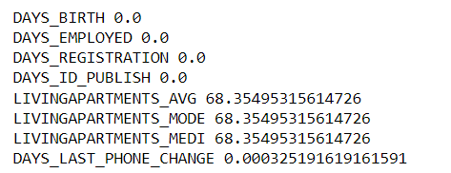

 | DATASET-Previous Application

 | Columns |  |  | Type of variable
 | SK_ID_PREV | ID of previous credit in Home credit related to loan in our sample. (One loan in our sample can have 0,1,2 or more previous loan applications in Home Credit, previous application could, but not necessarily have to lead to credit) |  | Categorical
 | SK_ID_CURR | ID of loan in our sample |  | Categorical
 | NAME_CONTRACT_TYPE | Contract product type (Cash loan, consumer loan [POS] ,...) of the previous application |  | Categorical
 | AMT_ANNUITY | Annuity of previous application |  | Numerical
 | AMT_APPLICATION | For how much credit did client ask on the previous application |  | Numerical
 | AMT_CREDIT | Final credit amount on the previous application. This differs from AMT_APPLICATION in a way that the AMT_APPLICATION is the amount for which the client initially applied for, but during our approval process he could have received different amount - AMT_CREDIT |  | Numerical
 | AMT_DOWN_PAYMENT | Down payment on the previous application |  | Numerical
 | AMT_GOODS_PRICE | Goods price of good that client asked for (if applicable) on the previous application |  | Numerical
 | WEEKDAY_APPR_PROCESS_START | On which day of the week did the client apply for previous application |  | Categorical
 | HOUR_APPR_PROCESS_START | Approximately at what day hour did the client apply for the previous application |  | Numerical
 | FLAG_LAST_APPL_PER_CONTRACT | Flag if it was last application for the previous contract. Sometimes by mistake of client or our clerk there could be more applications for one single contract |  | Categorical
 | NFLAG_LAST_APPL_IN_DAY | Flag if the application was the last application per day of the client. Sometimes clients apply for more applications a day. Rarely it could also be error in our system that one application is in the database twice |  | Categorical
 | NFLAG_MICRO_CASH | Flag Micro finance loan |  | Categorical
 | RATE_DOWN_PAYMENT | Down payment rate normalized on previous credit |  | Numerical
 | RATE_INTEREST_PRIMARY | Interest rate normalized on previous credit |  | Categorical
 | RATE_INTEREST_PRIVILEGED | Interest rate normalized on previous credit |  | Categorical
 | NAME_CASH_LOAN_PURPOSE | Purpose of the cash loan |  | Categorical
 | NAME_CONTRACT_STATUS | Contract status (approved, cancelled, ...) of previous application |  | Categorical
 | DAYS_DECISION | Relative to current application when was the decision about previous application made |  | Categorical
 | NAME_PAYMENT_TYPE | Payment method that client chose to pay for the previous application |  | Categorical
 | CODE_REJECT_REASON | Why was the previous application rejected |  | Categorical
 | NAME_TYPE_SUITE | Who accompanied client when applying for the previous application |  | Categorical
 | NAME_CLIENT_TYPE | Was the client old or new client when applying for the previous application |  | Numerical
 | NAME_GOODS_CATEGORY | What kind of goods did the client apply for in the previous application |  | Categorical
 | NAME_PORTFOLIO | Was the previous application for CASH, POS, CAR, … |  | Categorical
 | NAME_PRODUCT_TYPE | Was the previous application x-sell o walk-in |  | Categorical
 | CHANNEL_TYPE | Through which channel we acquired the client on the previous application |  | Categorical
 | SELLERPLACE_AREA | Selling area of seller place of the previous application |  | Categorical
 | NAME_SELLER_INDUSTRY | The industry of the seller |  | Categorical
 | CNT_PAYMENT | Term of previous credit at application of the previous application |  | Numerical
 | NAME_YIELD_GROUP | Grouped interest rate into small medium and high of the previous application |  | Categorical
 | PRODUCT_COMBINATION | Detailed product combination of the previous application |  | Categorical
 | DAYS_FIRST_DRAWING | Relative to application date of current application when was the first disbursement of the previous application |  | Numerical
 | DAYS_FIRST_DUE | Relative to application date of current application when was the first due supposed to be of the previous application |  | Numerical
 | DAYS_LAST_DUE_1ST_VERSION | Relative to application date of current application when was the first due of the previous application |  | Numerical
 | DAYS_LAST_DUE | Relative to application date of current application when was the last due date of the previous application |  | Numerical
 | DAYS_TERMINATION | Relative to application date of current application when was the expected termination of the previous application |  | Categorical
 | NFLAG_INSURED_ON_APPROVAL | Did the client requested insurance during the previous application |  | Numerical
 |  |  |  | Categorical
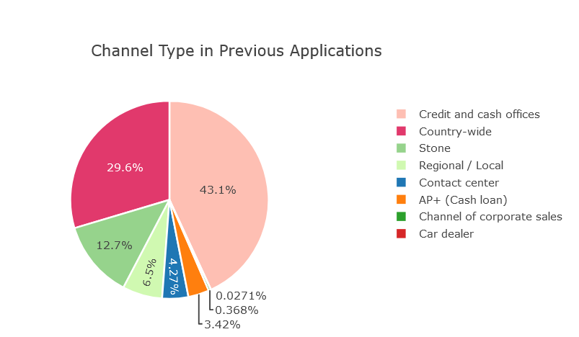
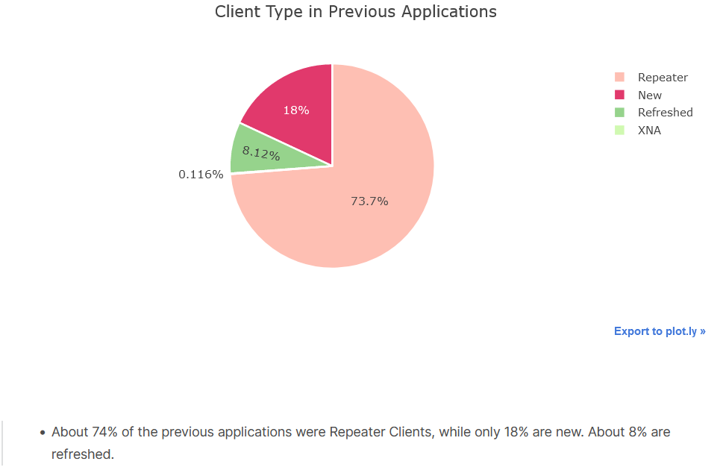

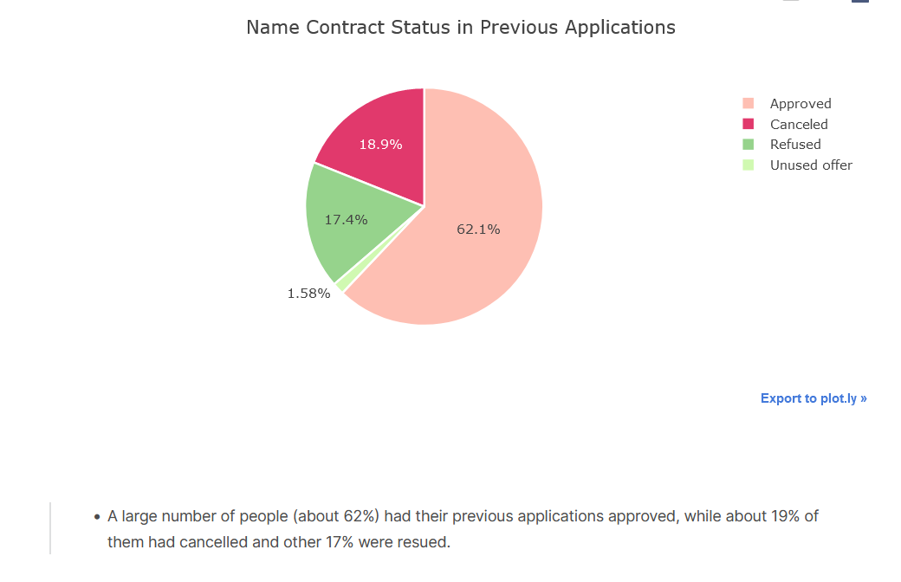

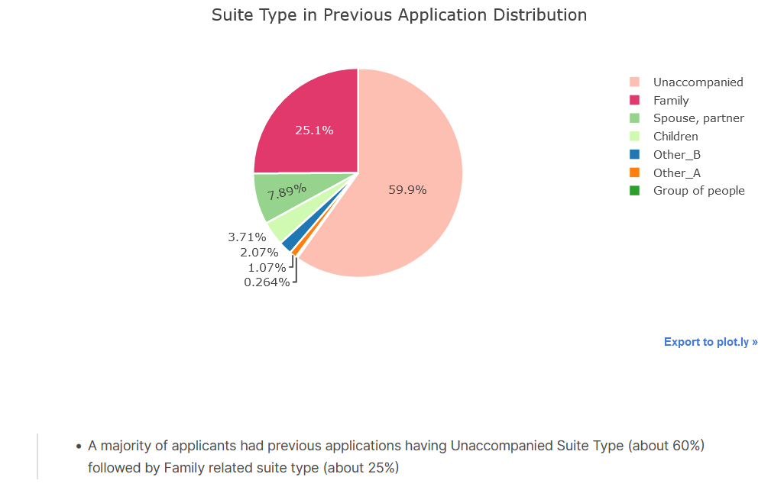

 | INSTALLMENT DATASET

 | DAYS INSTALLEMENT |  | DAYS ENTRY PAYMENT

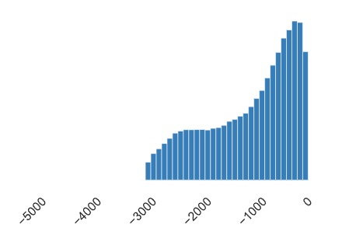
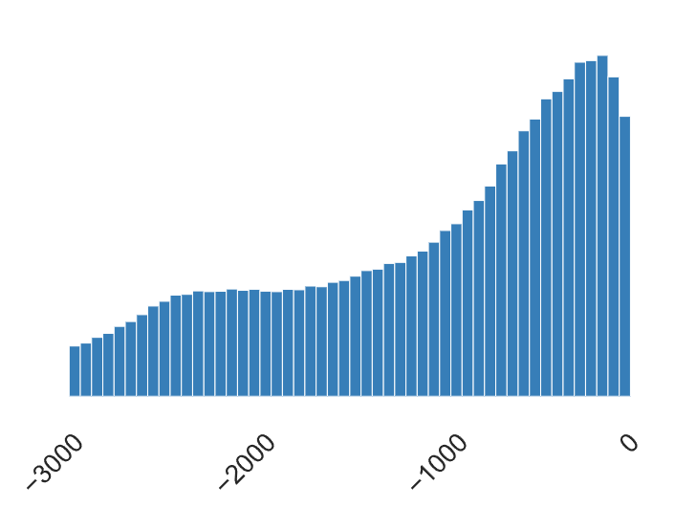

 | Observation: The distribution of values of the variable is left skewed which implies that most of the customers were suppose to pay their previous loans immediately relative to current loan applicaion date. |  | Observation: The distribution of values of the variable is left skewed which implies that most of the customers paid their previous loans on time relative to currentloan application date.

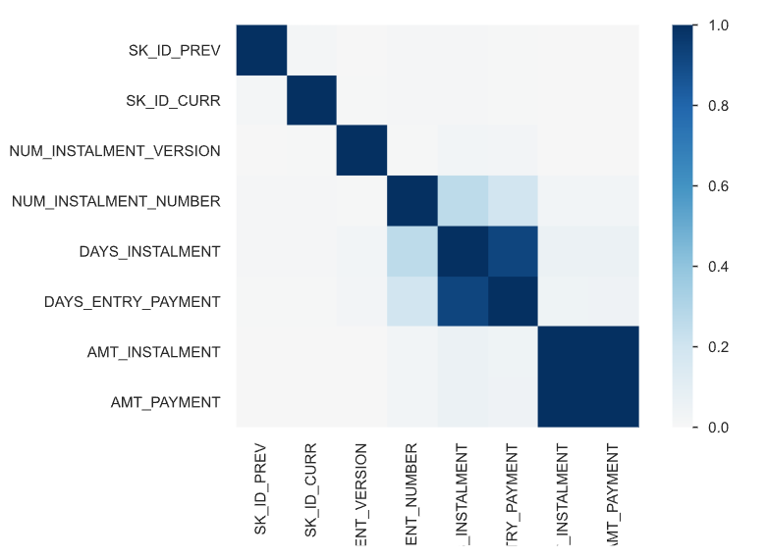

 | The columns days installement and days entry payment have strong positive correlation installment also have strong positive correlationwith one another.
 | whereas the column pairs amount payment and amount

 | DATASET-CREDIT CARD
 | Month of balance relative to application date (-1 means the freshest balance date)
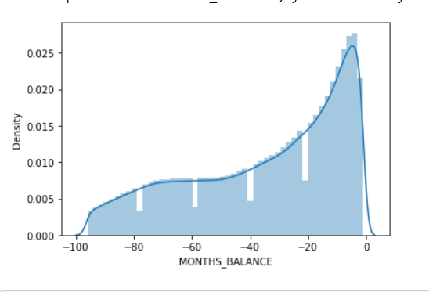
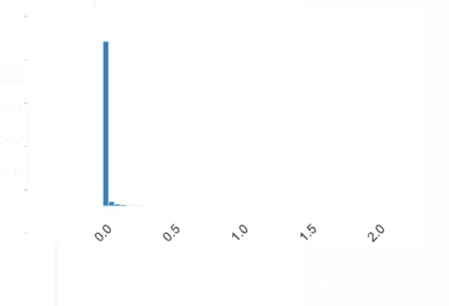

 | amt_balance-Balance during the month of previous credit

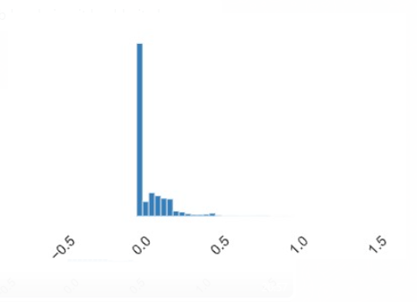

 | amt_balance has 56.20% of zeroes to handle this we have done mean imputation

Model -1
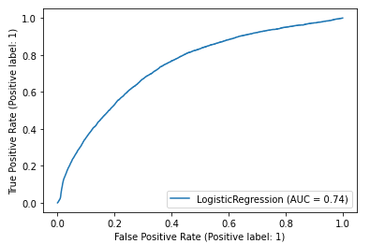
 | MODEL 1 BASELINE MODEL
OBJECTIVE: | To predict the whether Customer will default or not (0 or 1)
 | Imbalanced Data (90% - Non Default 10 %- Default) No of Features: 33 Features of IV greater than 0.03

COLUMNS: | 'SK_ID_CURR', 'TARGET', 'DAYS_BIRTH', 'DAYS_EMPLOYED', 'DAYS_REGISTRATION', 'DAYS_ID_PUBLISH', 'OWN_CAR_AGE', 'DAYS_LAST_PHONE_CHANGE', 'LIVINGAPARTMENTS_AVG', 'LIVINGAPARTMENTS_MODE', 'LIVINGAPARTMENTS_MEDI', 'DAYS_CREDIT', 'DAYS_CREDIT_ENDDATE', 'DAYS_ENDDATE_FACT', 'AMT_CREDIT_MAX_OVERDUE',
 | 'AMT_CREDIT_SUM_DEBT', 'DAYS_CREDIT_UPDATE', 'MONTHS_BALANCE', 'AMT_BALANCE', 'AMT_DRAWINGS_ATM_CURRENT', 'AMT_DRAWINGS_CURRENT', 'AMT_DRAWINGS_POS_CURRENT', 'AMT_INST_MIN_REGULARITY', 'AMT_RECEIVABLE_PRINCIPAL', 'AMT_RECIVABLE', 'AMT_TOTAL_RECEIVABLE', 'CNT_DRAWINGS_ATM_CURRENT', 'CNT_DRAWINGS_CURRENT',
 | 'CNT_DRAWINGS_POS_CURRENT', 'DAYS_INSTALMENT', 'DAYS_ENTRY_PAYMENT', 'SK_DPD_DEF', 'DAYS_DECISION'

 | TRAINING DATA RESULTS |  |  | VALIDATION DATA RESULTS

 | Confusion matrix: |  |  | Confusion matrix:
 | 0 | 1 |  | 0 | 1
0 | [[210780 1219] |  | 0 | [[70231 456]
1 | [ 18322 312]] |  | 1 | [ 6097 94]]
 | Training AUC: | 74.26% |  | Testing AUC: | 74.29%
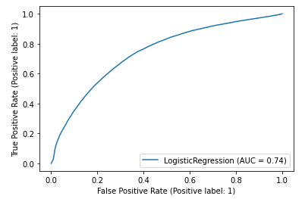
 |  |  |  | Testing accuracy: 91.4761 %
 |  |  |  | F1 : 0.027
 |  |  |  | precision : 0.171
 |  |  |  | recall : 0.0152

Model -2
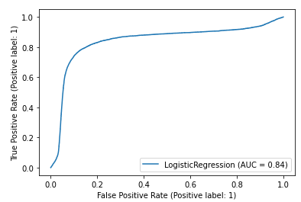
 | MODEL -2
OBJECTIVE: | To predict the whether Customer will default or not (0 or 1)
 | Balanced Data (50% - Non Default 50 %- Default) No of Features: 33 Features of IV greater than 0.03

COLUMNS: | 'SK_ID_CURR', 'TARGET', 'DAYS_BIRTH', 'DAYS_EMPLOYED', 'DAYS_REGISTRATION', 'DAYS_ID_PUBLISH', 'OWN_CAR_AGE', 'DAYS_LAST_PHONE_CHANGE', 'LIVINGAPARTMENTS_AVG', 'LIVINGAPARTMENTS_MODE', 'LIVINGAPARTMENTS_MEDI', 'DAYS_CREDIT', 'DAYS_CREDIT_ENDDATE', 'DAYS_ENDDATE_FACT', 'AMT_CREDIT_MAX_OVERDUE',
 | 'AMT_CREDIT_SUM_DEBT', 'DAYS_CREDIT_UPDATE', 'MONTHS_BALANCE', 'AMT_BALANCE', 'AMT_DRAWINGS_ATM_CURRENT', 'AMT_DRAWINGS_CURRENT', 'AMT_DRAWINGS_POS_CURRENT', 'AMT_INST_MIN_REGULARITY', 'AMT_RECEIVABLE_PRINCIPAL', 'AMT_RECIVABLE', 'AMT_TOTAL_RECEIVABLE', 'CNT_DRAWINGS_ATM_CURRENT', 'CNT_DRAWINGS_CURRENT',
 | 'CNT_DRAWINGS_POS_CURRENT', 'DAYS_INSTALMENT', 'DAYS_ENTRY_PAYMENT', 'SK_DPD_DEF', 'DAYS_DECISION'

 | TRAINING DATA RESULTS |  |  | VALIDATION DATA RESULTS

 | Confusion matrix: |  |  | Confusion matrix:
 | 0 | 1 |  | 0 | 1
0 | [[175905 36080] |  | 0 | [[58590 12111]
1 | [ 33625 178360]] |  | 1 | [ 1140 5037]]
 | Scores on Train Data: |  |  | Testing AUC: | 83.94%
 | Accuracy : | 83.56% |  | Testing accuracy: | 82.76%
 | Training AUC: | 85.39% |  | Scores on Test Data:
 | F1 : | 0.8365 |  | Accuracy : | 82.76
 | precision : | 0.83 |  | Test AUC: | 83.94%
 | recall : | 0.84 |  | F1 : | 0.43

 |  |  |  | precision : | 0.29%
 |  |  |  | recall : | 0.82%

Model -3
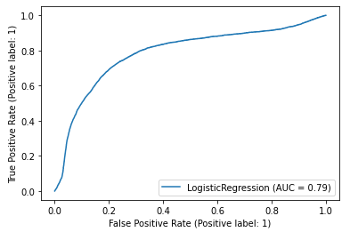
 | MODEL -3
OBJECTIVE: | To predict the whether Customer will default or not (0 or 1)
 | Balanced Data (60% - Non Default 40 %- Default) No of Features: 33 Features of IV greater than 0.03

COLUMNS: | 'SK_ID_CURR', 'TARGET', 'DAYS_BIRTH', 'DAYS_EMPLOYED', 'DAYS_REGISTRATION', 'DAYS_ID_PUBLISH', 'OWN_CAR_AGE', 'DAYS_LAST_PHONE_CHANGE', 'LIVINGAPARTMENTS_AVG', 'LIVINGAPARTMENTS_MODE', 'LIVINGAPARTMENTS_MEDI', 'DAYS_CREDIT', 'DAYS_CREDIT_ENDDATE', 'DAYS_ENDDATE_FACT', 'AMT_CREDIT_MAX_OVERDUE',
 | 'AMT_CREDIT_SUM_DEBT', 'DAYS_CREDIT_UPDATE', 'MONTHS_BALANCE', 'AMT_BALANCE', 'AMT_DRAWINGS_ATM_CURRENT', 'AMT_DRAWINGS_CURRENT', 'AMT_DRAWINGS_POS_CURRENT', 'AMT_INST_MIN_REGULARITY', 'AMT_RECEIVABLE_PRINCIPAL', 'AMT_RECIVABLE', 'AMT_TOTAL_RECEIVABLE', 'CNT_DRAWINGS_ATM_CURRENT', 'CNT_DRAWINGS_CURRENT',
 | 'CNT_DRAWINGS_POS_CURRENT', 'DAYS_INSTALMENT', 'DAYS_ENTRY_PAYMENT', 'SK_DPD_DEF', 'DAYS_DECISION'

 | TRAINING DATA RESULTS |  |  | VALIDATION DATA RESULTS

 | Confusion matrix: |  |  | Confusion matrix:
 | 0 | 1 |  | 0 | 1
0 | [[270000 | 12686] | 0 | [[67615 | 3142]
1 | [ 82629 | 30445]] | 1 | [ 4412 | 1709]]
 | Scores on Train Data: |  |  | Testing AUC: | 78.51%
 | Accuracy : | 75.91 |  | Testing accuracy: | 90.17%
 | Training AUC: | 80.28% |  | Scores on Test Data:
 | F1 : | 0.39 |  | Accuracy : | 90.17
 | precision : | 0.71 |  | F1 : | 0.31
 | recall : | 0.27 |  | precision : | 0.35
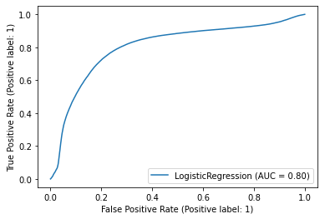
 |  |  |  | recall : | 0.28

Model -4, BEST MODEL
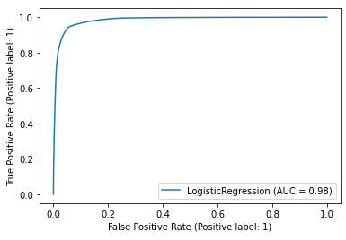
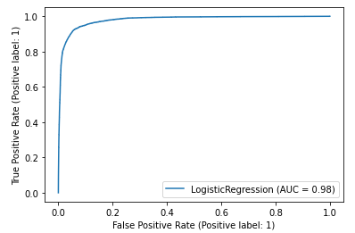
 | MODEL 4
OBJECTIVE: | To predict the whether Customer will default or not (0 or 1)
 | Changing all numerical variables to their respective WOE values through monotonous bins.(Hoping that monotonous binning might increase the ability of the features)

 | Balanced Data (50% - Non Default 50 %- Default) No of Features: 33 Features of IV greater than 0.03

COLUMNS: | 'SK_ID_CURR', 'TARGET', 'DAYS_BIRTH', 'DAYS_EMPLOYED', 'DAYS_REGISTRATION', 'DAYS_ID_PUBLISH', 'OWN_CAR_AGE', 'DAYS_LAST_PHONE_CHANGE', 'LIVINGAPARTMENTS_AVG', 'LIVINGAPARTMENTS_MODE', 'LIVINGAPARTMENTS_MEDI', 'DAYS_CREDIT', 'DAYS_CREDIT_ENDDATE', 'DAYS_ENDDATE_FACT', 'AMT_CREDIT_MAX_OVERDUE',
 | 'AMT_CREDIT_SUM_DEBT', 'DAYS_CREDIT_UPDATE', 'MONTHS_BALANCE', 'AMT_BALANCE', 'AMT_DRAWINGS_ATM_CURRENT', 'AMT_DRAWINGS_CURRENT', 'AMT_DRAWINGS_POS_CURRENT', 'AMT_INST_MIN_REGULARITY', 'AMT_RECEIVABLE_PRINCIPAL', 'AMT_RECIVABLE', 'AMT_TOTAL_RECEIVABLE', 'CNT_DRAWINGS_ATM_CURRENT', 'CNT_DRAWINGS_CURRENT',
 | 'CNT_DRAWINGS_POS_CURRENT', 'DAYS_INSTALMENT', 'DAYS_ENTRY_PAYMENT', 'SK_DPD_DEF', 'DAYS_DECISION'

 | TRAINING DATA RESULTS |  |  | VALIDATION DATA RESULTS

 | Confusion matrix: |  |  | Confusion matrix:
 | 0 | 1 |  | 0 | 1 | CALCULATED SOMERS D for this model, which is the best performing model till now, SOMERS D Statistic = 0.855
0 | [269624 | 13062] | 0 | [67423 | 3264]
1 | [ 20532 | 262154] | 1 | [ 608 | 5583]
 | Scores on Train Data: |  |  | Scores on Test Data:
 | Accuracy : | 94.05 |  | Accuracy : | 94.97
 | Training AUC: | 98.32% |  | Test AUC: | 97.92%
 | F1 : | 0.94 |  | F1 : | 74.25
 | precision : | 0.95 |  | precision : | 0.63%
 | recall : | 0.93 |  | recall : | 0.90%

